Sheet1
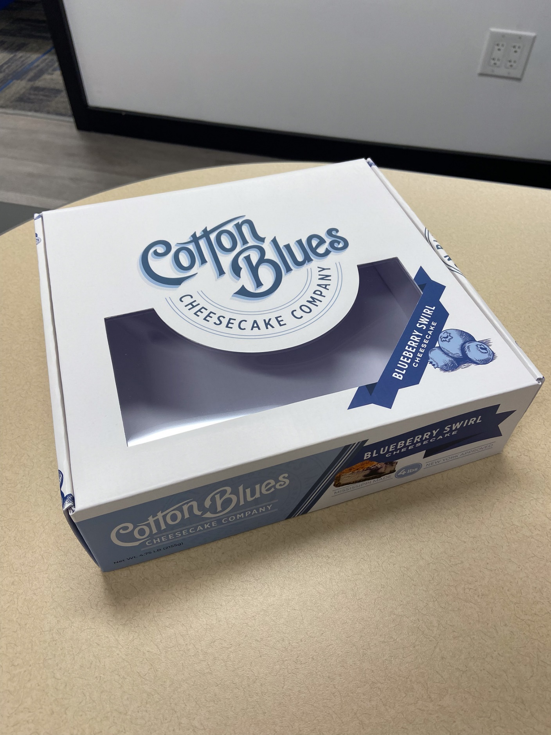
 |  |  |  |  |  |  |  | Prepared by | Reviewed by | Approved by
 |  |  |  |  |  |  |  | Đài Loan | Minh Tài | Thane Taithongchai

 |  |  |  | CUSTOMER'S REQUIREMENT |  |  |  |  |  | CR #: | Spv Jan 3.00
 |  |  |  |  |  |  |  |  |  | Req By: | Chi
 |  |  |  |  |  |  |  |  |  | Date: | 24-Aug-23

Customer Name : |  | Jansy |  |  |  | Type of Product : |  | Single face (Corrugated box) | Storage condition:
Project Name : |  | Cotton Blues Cheesecake Food-grade Box with PET Window |  |  |  | Cus Packing Method: |  | Manual | Spec. attached:
Product Name : |  | Cotton Blues Cheesecake Food-grade Box with PET Window |  |  |  | Packaging Application : |  | Food & Bev | Quality Spec Ref: |  | Customer
Product Code: |  |  |  |  |  | Cus Approval Level: |  | Level 2 | Safety Req: |  | YES
Product Group: |  | Regular |  |  |  | Level 2 | Cus does not indicated spec, need to send sample for cus approval for any changing |  | Special Req:

I. SPECIFICATION
1. STRUCTURE
Component | Length | Width | High | Type |  | Metalize / Non Metalize | Folding & Gluing | Quantity/copy | Remarks
 | (inch) | (inch) | (inch) | TOP | BOTTOM
Box | 277.6 | 255.5 | 77.8 | Other | Other

2. MATERIALS
Component | Paper |  |  | Film | Ink |  |  | Varnish |  | Remarks
 | (1) | (2) | (3) | Metalize film | No. of Color | CMYK | Special ink | (1) | (2)
Box | 300 gsm Ivory SBS Storaenso | White e-Flute 125/150 |  |  | 4/0 | 4 |  | Gloss Water Base |  | 0- Mực + WB nutri / Foodrage White Top 2 option: Lee&man or BÌnh Chiểu (giống hàng Melody MS2022/579 )

3. SPECIAL PROPERTY |  | Light fastness | Rubtest | ECT | BCT | Scratching | Glossness | Slide Angle | PRSL | FSC | Others
 |  |  |  |  |  |  |  |  |  | Yes

3. FINISHING
Component | Embossing | Hot stamping | Window | Others | Remarks
 |  |  | Yes |  | PET window 0.2mm (loại foodrage)

4. ACCESSORY
No. |  |  |  |  |  |  |  |  | Remark
1 | PET window 0.2mm

5. BINDING
apply to book and Crayola only

6. PACKING REQUIREMENT
Outer Carton | Packing | Pcs/carton | Bundle/carton | Loading | Stretch wrap |  |  |  | Wrapping
 | Shipper size: 832mm x 600mm x 520mm | 100 pcs per shipper

7. SPECIAL REQUIREMENT

Sustainable:
Recyle:
FSC/ PEFC:
BRC:
Direct Food:
Other:

8. SAMPLE REQUEST (apply to Packaging only)

Sample |  |  |  | Address sending sample |  | Remarks
Oris Proof |  |  |  |  |  | PROOF REQUEST |  | Yes | Proofing |  | Offline
Mock up |  |  |  |  |  | Case 3 | Free of charge
Standard book |  | 06 pcs |  | Adress: To US (New York) Office
Sample |  | 50 pcs |  | Adress: To US (New York) Office |  |  | * Case 1: Proof cost was allocated on pricing **Case 2: Charged - *** Case 3: Free of charge
Other

II. ESTIMATING REQUEST OF BOX PRODUCTS

 |  | The case of quotation request: |  |  |  | Case 3

 |  | Type of Product: |  |  | Regular
 |  | Quantity requested: |  |  | 10,000 | 15,000 | 20,000 | 30,000 | 35,000
 |  | Annual quantity/Total quantity project |  |  | 150,000

 |  | Finishing |  | 1.
 |  |  |  | 2.
 |  |  |  | 3. | ……………………………………………………………………………………………………….

 |  | Accessories |  | 1.
 |  |  |  | 2.
 |  |  |  | 3.

 |  | * In case there is any special material/accessory request, please pass the sample/picture/description
 |  | to Purchasing for searching the price.

 |  | Ink Consumption: |  |  | 3
 |  | *Please note the number of MS which is used to convert ink consumptions or advised by INN

 |  | Del Term: | FOB |  | Del Tol: | 2% |  | Trans Owner: | SPV

 |  |  |  | New York

 |  | Payment term: | 30 | days ( from B/L date)
 |  | Other requests: |  | phí Proof + sample fee + tiền khuôn tính extra cost BODs duyệt riêng sheet.

 |  | Transportation sample fee : |  | Fedex courier zone |  |  | dummy copies/title
 |  |  |  | Fedex courier zone |  |  | advance copies/title

 |  | Quotation expected date |  |  | 25-Aug-2023
 |  | Delivery estimated date |  |  | TBC
 |  | Requested price validity |  |  | TBC

 |  | Remark:
 | 1. | Please attached this request together with the layout & flowchart of INN
 | 2. | Make sure that the names of customer and product are always the same in all documents/emails related
 | 3. | The estimation will not be proceeded unless the lacking information are clarified and confirmed in written
 |  | by Head of Sales & Marketing department
 | 4. | Requests for quotation revise: please note the latest quotation number and note the issues/items
 |  | need to be revised
 | 5. | Quotation update of the products manufactured: please note the MS number (in ERP software)
 |  | or attach the MS with the information requested above
 | 6. | For the Forecast/stock paper utilization, please note the FC/PO number for checking the material prices.

